Signature


Study Report

Assay Name | WRN(517-1238)_ATP preincubation_FI_IC50
Assay Goal | To assess the compounds inhibition on WRN (517-1238)_ATP preincubation
Study Number | RFP-2024121601

Experiment Type | 10 doses in duplicate, IC50
Samples Receive Date | 2024-12-18
Experiment Date | 2024-12-18
Report Release Date | 2024-12-18

Assay Performed by | Mingzhen Li
Report Prepared by | Mingzhen Li
Report reviewer | Jingxue Shi
Report Approval | Qiang Xia

Submitted to | 湖北生物医药产业技术研究院有限公司

Submitted by | ICE Bioscience InC.

Assay protocol
Ⅰ | Reagent, Consumables and Instruments

 | Reagent | Vendor | Cat No.
 | capture DNA | ICE | ICE-WDU-114
 | dsDNA-secquence 2 | ICE | ICE-WDU-113
 | WRN (517-1238) | ICE | S2212T-H56HZ
 | ATP | Ark Pharm | Ak-54737
 | Consumables | Vendor | Cat No.
 | 96 Well Plates | Nunc | 249944
 | 384-well plate | Corning | 4514
 | Instrument | Vendor | Cat No.
 | ECHO®655 SYSTEM | LABCYTE | 655
 | Centrifuge | Cence | TDZ5-WS
 | Microplate Reader | BMG | CLARIO Star Plusacu

Ⅱ | Compound Information and Treatment

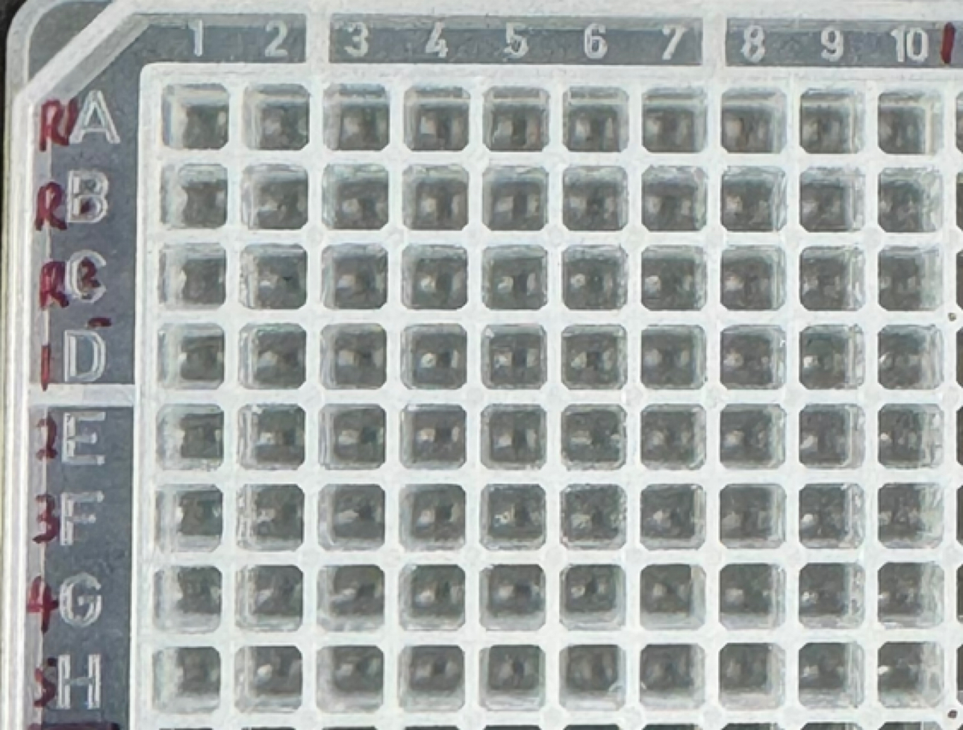
 | Entry | Compound ID | Stock Conc. (mM) | Start Conc. (nM) | Dilution folds | 化合物顺序如左侧：
 | R | VVD-214 | 20 | 10000 | 3
 | 1 | HW350003A(20241125) | 10 | 10000 | 3
 | 2 | HW350003A(20240918) | 10 | 10000 | 3
 | 3 | HW356058 | 10 | 10000 | 3
 | 4 | HW356035 | 10 | 10000 | 3
 | 5 | HW356057 | 10 | 10000 | 3
 | 6 | HW356061 | 10 | 10000 | 3
 | 7 | HW356064 | 10 | 10000 | 3

Ⅲ | Compounds Storage.

 | All test compounds are provided by湖北生物医药产业技术研究院有限公司, and storaged in ICE.

Ⅳ | Reaction conditions

 | Reaction ID | WRN (517-1238) | ATP | dsDNA-secquence 2 | capture DNA
 | Work Conc. | 5 nM | 4 mM | 100 nM | 1 μM

Ⅴ | Experiment Procedure

a) | Add 60 μL compounds to 384-well dilution plate
b) | Dilute compounds 1:3 in succession in DMSO for each column for 10 pts (refer to dilution plate map)
c) | Transfer 0.15 μL diluted compounds solution in each row to 384 assay plate using Echo, each column containing 2 replicates (refer to assay plate map)
d) | Add 5 μL enzyme working solution containing 0.2 mM ATP to 384-well assay plate, and centrifuge at 1000 rpm for 1 min
e) | Incubate at 25℃ for 4 h
f) | Add 5 μL dsDNA-secquence 2 and capture DNA working solution, and centrifuge at 1000 rpm for 1 min
g) | Add 5 μL ATP working solution to initiate reaction , and centrifuge at 1000 rpm for 1 min
h) | Incubate at 25℃ for 30 min
i) | Reading Ex620 nm and Em685 nm fluorescence signals with BMG

VI | Data Analysis

a) | Percent inhibition(% inh) for compound well = 100*(ave High control - cpd well)/(ave High control - ave Low control)
b) | Assay robustness check with Low control and High control data:
 | High control: DMSO and Enzyme
 | Low control: DMSO and Assay buffer
 | S/B =ave High control/ave Low control,
 | CV%(Low control)=100* (SD Low control/ave Low control)
 | CV%(High control)=100*( SD High control/ave High control)
 | Z’=1-3*(SD Low control+ SD High control)/(ave High control- ave Low control)
c) | Fit the cpd IC50 from non-linear regression equation by XLfit 5.5.0
 | Y=Bottom + (Top-Bottom)/(1+10^((LogIC50-X)*HillSlope))
 | X: Log of cpd concentration
 | Y: Percent inhibition(% inh)
 | Top and Bottom: Plateaus in same units as Y
 | logIC50: same log units as X
 | HillSlope: Slope factor or Hill slope

Ⅶ | Data Collection

 | Data exported from BMG as an Excel file is uploaded into D:\B01Y202202-115\IBC\E3\LMZ\湖北生物\WRN (517-1238)\20241218\RFP-2024121601

